PROGRAM
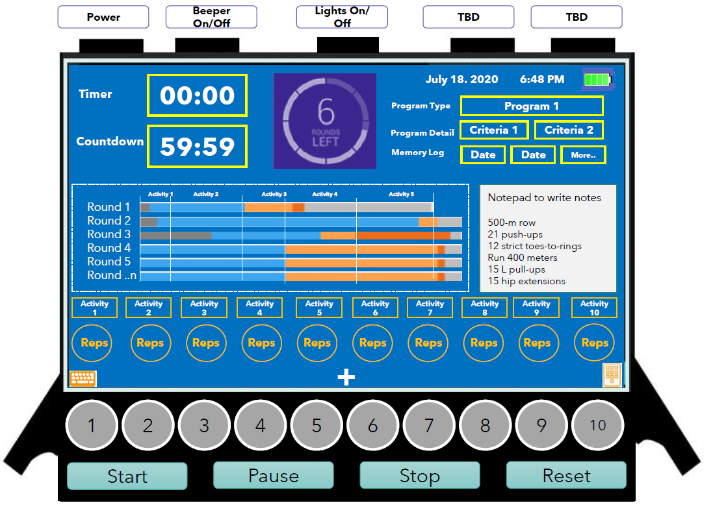
Crossfit WOD's
Due Date: | 18-Aug-20

 | Program List | Program Detail
 |  | Criteria 1 | Criteria 2 | Activities | Reps
 | AMRAP |  |  | AMRAP TAB | AMRAP TAB
 | EMOM | EMOM TAB | EMOM TAB | EMOM TAB | EMOM TAB
 | Chipper | Chipper Tab | Chipper Tab | Chipper Tab | Chipper Tab
 | Ladder | Ladder Tab | Ladder Tab | Ladder Tab | Ladder Tab
 | Tabata | Tabata Tab | Tabata Tab | Tabata Tab | Tabata Tab
 | The Girls | Heroes / Girls Tab |  | Pre-defined
 | The Heroes | Heroes / Girls Tab |  | Pre-defined
 | Open | Open Tab |  | Pre-defined
 | Singlet | Interval | (-)1 - (10) | Activities List
 | Time Cap | Rounds for Time | 1 - 100 | Activities List
 | Death By |  |  | Activities List
 | Fight Gone Bad | Rounds for Time | EMOM | Activities List
 | Filthy 50 | Filthy Fifty Tab |  | Pre-defined
 | Custom (Rx) |  |  | Activities List

